X-Bar Chart (E-Book)-1
X-Bar Control Chart

X-Bar Chart: Cocoa Fizz |  |  |  |  |  |  |  |  |  | 25 | Number of samples (N)
Sample No. | Obs-1 | Obs-2 | Obs-3 | Obs-4 | Average | Range | LCL | CL | UCL | 4 | Number of observation per sample (n)
1 | 15.85 | 16.02 | 15.83 | 15.93 | 15.91 | 0.19 | 15.74 | 15.95 | 16.16 | 15.95 | x-bar-bar
2 | 16.12 | 16.00 | 15.85 | 16.01 | 16.00 | 0.27 | 15.74 | 15.95 | 16.16 | 0.29 | R-bar
3 | 16.00 | 15.91 | 15.94 | 15.83 | 15.92 | 0.17 | 15.74 | 15.95 | 16.16 | 0.14 | Sigma for Process (Given)
4 | 16.20 | 15.85 | 15.74 | 15.93 | 15.93 | 0.46 | 15.74 | 15.95 | 16.16 | 0.07 | Standard Error of the Mean
5 | 15.74 | 15.86 | 16.21 | 16.10 | 15.98 | 0.47 | 15.74 | 15.95 | 16.16 | 3 | Z-value for control charts (z)
6 | 15.94 | 16.01 | 16.14 | 16.03 | 16.03 | 0.20 | 15.74 | 15.95 | 16.16 | 15.95 | CL: Center Line (x-bar-bar)
7 | 15.75 | 16.21 | 16.01 | 15.86 | 15.96 | 0.46 | 15.74 | 15.95 | 16.16 | 15.7369 | LCL: Lower Control Limit
8 | 15.82 | 15.94 | 16.02 | 15.94 | 15.93 | 0.20 | 15.74 | 15.95 | 16.16 | 16.1569 | UCL: Upper Control Limit
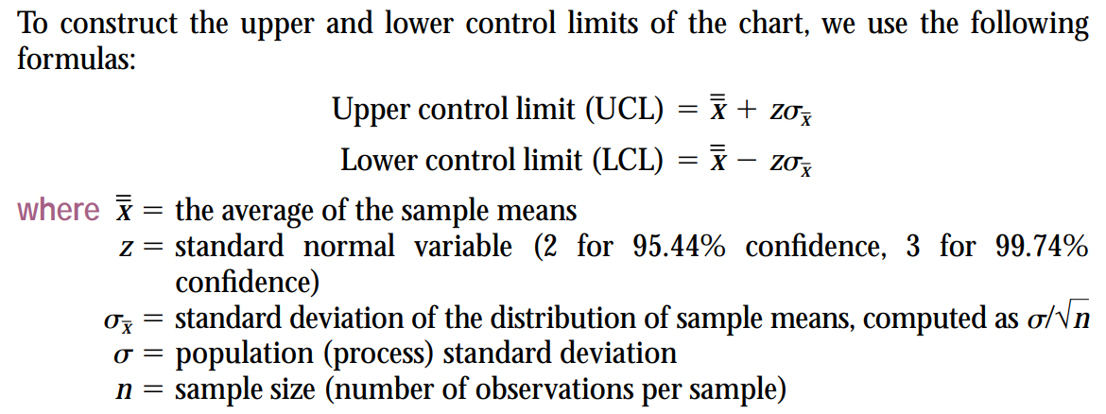
9 | 16.04 | 15.98 | 15.83 | 15.98 | 15.96 | 0.21 | 15.74 | 15.95 | 16.16
10 | 15.64 | 15.86 | 15.94 | 15.89 | 15.83 | 0.30 | 15.74 | 15.95 | 16.16
11 | 16.11 | 16.00 | 16.01 | 15.82 | 15.99 | 0.29 | 15.74 | 15.95 | 16.16
12 | 15.72 | 15.85 | 16.12 | 16.15 | 15.96 | 0.43 | 15.74 | 15.95 | 16.16
13 | 15.85 | 15.76 | 15.74 | 15.98 | 15.83 | 0.24 | 15.74 | 15.95 | 16.16
14 | 15.73 | 15.84 | 15.96 | 16.10 | 15.91 | 0.37 | 15.74 | 15.95 | 16.16
15 | 16.20 | 16.01 | 16.10 | 15.89 | 16.05 | 0.31 | 15.74 | 15.95 | 16.16
16 | 16.12 | 16.08 | 15.83 | 15.94 | 15.99 | 0.29 | 15.74 | 15.95 | 16.16
17 | 16.01 | 15.93 | 15.81 | 15.68 | 15.86 | 0.33 | 15.74 | 15.95 | 16.16
18 | 15.78 | 16.04 | 16.11 | 16.12 | 16.01 | 0.34 | 15.74 | 15.95 | 16.16
19 | 15.84 | 15.92 | 16.05 | 16.12 | 15.98 | 0.28 | 15.74 | 15.95 | 16.16
20 | 15.92 | 16.09 | 16.12 | 15.93 | 16.02 | 0.20 | 15.74 | 15.95 | 16.16
X-Bar Chart
21 | 16.11 | 16.02 | 16.00 | 15.88 | 16.00 | 0.23 | 15.74 | 15.95 | 16.16
22 | 15.98 | 15.82 | 15.89 | 15.89 | 15.90 | 0.16 | 15.74 | 15.95 | 16.16
23 | 16.05 | 15.73 | 15.73 | 15.93 | 15.86 | 0.32 | 15.74 | 15.95 | 16.16
24 | 16.01 | 16.01 | 15.89 | 15.86 | 15.94 | 0.15 | 15.74 | 15.95 | 16.16
25 | 16.08 | 15.78 | 15.92 | 15.98 | 15.94 | 0.30 | 15.74 | 15.95 | 16.16

X-Bar Chart (E-Book)-2
X-Bar Control Chart

X-Bar Chart: Cocoa Fizz |  |  |  |  |  |  |  |  |  | 25 | Number of samples (N)
Sample No. | Obs-1 | Obs-2 | Obs-3 | Obs-4 | Average | Range | LCL | CL | UCL | 4 | Number of observation per sample (n)
1 | 15.85 | 16.02 | 15.83 | 15.93 | 15.91 | 0.19 | 15.74 | 15.95 | 16.16 | 15.95 | x-bar-bar
2 | 16.12 | 16.00 | 15.85 | 16.01 | 16.00 | 0.27 | 15.74 | 15.95 | 16.16 | 0.29 | R-bar
3 | 16.00 | 15.91 | 15.94 | 15.83 | 15.92 | 0.17 | 15.74 | 15.95 | 16.16 | 0.73 | A2, the factor obtained from Table
4 | 16.20 | 15.85 | 15.74 | 15.93 | 15.93 | 0.46 | 15.74 | 15.95 | 16.16 | 15.95 | CL: Center Line (x-bar-bar)
5 | 15.74 | 15.86 | 16.21 | 16.10 | 15.98 | 0.47 | 15.74 | 15.95 | 16.16 | 15.737536 | LCL: Lower Control Limit
6 | 15.94 | 16.01 | 16.14 | 16.03 | 16.03 | 0.20 | 15.74 | 15.95 | 16.16 | 16.156264 | UCL: Upper Control Limit
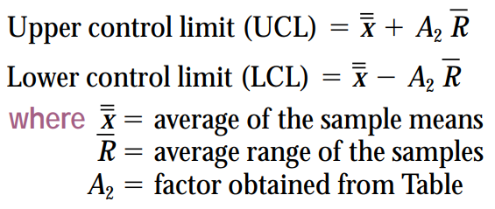
7 | 15.75 | 16.21 | 16.01 | 15.86 | 15.96 | 0.46 | 15.74 | 15.95 | 16.16
8 | 15.82 | 15.94 | 16.02 | 15.94 | 15.93 | 0.20 | 15.74 | 15.95 | 16.16
9 | 16.04 | 15.98 | 15.83 | 15.98 | 15.96 | 0.21 | 15.74 | 15.95 | 16.16
10 | 15.64 | 15.86 | 15.94 | 15.89 | 15.83 | 0.30 | 15.74 | 15.95 | 16.16
11 | 16.11 | 16.00 | 16.01 | 15.82 | 15.99 | 0.29 | 15.74 | 15.95 | 16.16
12 | 15.72 | 15.85 | 16.12 | 16.15 | 15.96 | 0.43 | 15.74 | 15.95 | 16.16
13 | 15.85 | 15.76 | 15.74 | 15.98 | 15.83 | 0.24 | 15.74 | 15.95 | 16.16
14 | 15.73 | 15.84 | 15.96 | 16.10 | 15.91 | 0.37 | 15.74 | 15.95 | 16.16
15 | 16.20 | 16.01 | 16.10 | 15.89 | 16.05 | 0.31 | 15.74 | 15.95 | 16.16
16 | 16.12 | 16.08 | 15.83 | 15.94 | 15.99 | 0.29 | 15.74 | 15.95 | 16.16
17 | 16.01 | 15.93 | 15.81 | 15.68 | 15.86 | 0.33 | 15.74 | 15.95 | 16.16 |  | Factor for x-bar Chart | Factors for R-Chart
18 | 15.78 | 16.04 | 16.11 | 16.12 | 16.01 | 0.34 | 15.74 | 15.95 | 16.16 | Sample Size n | A2 | D3 | D4
19 | 15.84 | 15.92 | 16.05 | 16.12 | 15.98 | 0.28 | 15.74 | 15.95 | 16.16 | 2 | 1.88 | 0.00 | 3.27
20 | 15.92 | 16.09 | 16.12 | 15.93 | 16.02 | 0.20 | 15.74 | 15.95 | 16.16 | 3 | 1.02 | 0.00 | 2.57
21 | 16.11 | 16.02 | 16.00 | 15.88 | 16.00 | 0.23 | 15.74 | 15.95 | 16.16 | 4 | 0.73 | 0.00 | 2.28
22 | 15.98 | 15.82 | 15.89 | 15.89 | 15.90 | 0.16 | 15.74 | 15.95 | 16.16 | 5 | 0.58 | 0.00 | 2.11
23 | 16.05 | 15.73 | 15.73 | 15.93 | 15.86 | 0.32 | 15.74 | 15.95 | 16.16 | 6 | 0.48 | 0.00 | 2.00
24 | 16.01 | 16.01 | 15.89 | 15.86 | 15.94 | 0.15 | 15.74 | 15.95 | 16.16 | 7 | 0.42 | 0.08 | 1.92
25 | 16.08 | 15.78 | 15.92 | 15.98 | 15.94 | 0.30 | 15.74 | 15.95 | 16.16 | 8 | 0.37 | 0.14 | 1.86
X-Bar Chart (Using A2 Factor)
 |  |  |  |  |  |  |  |  |  | 9 | 0.34 | 0.18 | 1.82
 |  |  |  |  |  |  |  |  |  | 10 | 0.31 | 0.22 | 1.78
 |  |  |  |  |  |  |  |  |  | 11 | 0.29 | 0.26 | 1.74
 |  |  |  |  |  |  |  |  |  | 12 | 0.27 | 0.28 | 1.72
 |  |  |  |  |  |  |  |  |  | 13 | 0.25 | 0.31 | 1.69
 |  |  |  |  |  |  |  |  |  | 14 | 0.24 | 0.33 | 1.67
 |  |  |  |  |  |  |  |  |  | 15 | 0.22 | 0.35 | 1.65
 |  |  |  |  |  |  |  |  |  | 16 | 0.21 | 0.36 | 1.64
 |  |  |  |  |  |  |  |  |  | 17 | 0.20 | 0.38 | 1.62
 |  |  |  |  |  |  |  |  |  | 18 | 0.19 | 0.39 | 1.61
 |  |  |  |  |  |  |  |  |  | 19 | 0.19 | 0.40 | 1.60
 |  |  |  |  |  |  |  |  |  | 20 | 0.18 | 0.41 | 1.59
 |  |  |  |  |  |  |  |  |  | 21 | 0.17 | 0.43 | 1.58
 |  |  |  |  |  |  |  |  |  | 22 | 0.17 | 0.43 | 1.57
 |  |  |  |  |  |  |  |  |  | 23 | 0.16 | 0.44 | 1.56
 |  |  |  |  |  |  |  |  |  | 24 | 0.16 | 0.45 | 1.55
 |  |  |  |  |  |  |  |  |  | 25 | 0.15 | 0.46 | 1.54

Range Chart (E-Book)
Range Control Chart

Range Chart: Cocoa Fizz |  |  |  |  |  |  |  |  |  | 25 | Number of samples (N)
Sample No. | Obs-1 | Obs-2 | Obs-3 | Obs-4 | Average | Range | LCL | CL | UCL | 4 | Number of observation per sample (n)
1 | 15.85 | 16.02 | 15.83 | 15.93 | 15.91 | 0.19 | 0.00 | 0.29 | 0.65 | 0.29 | R-bar
2 | 16.12 | 16.00 | 15.85 | 16.01 | 16.00 | 0.27 | 0.00 | 0.29 | 0.65 | 0 | D3, the factor obtained from Table
3 | 16.00 | 15.91 | 15.94 | 15.83 | 15.92 | 0.17 | 0.00 | 0.29 | 0.65 | 2.28 | D4, the factor obtained from Table
4 | 16.20 | 15.85 | 15.74 | 15.93 | 15.93 | 0.46 | 0.00 | 0.29 | 0.65 | 0.29 | CL: Center Line (R-bar)
5 | 15.74 | 15.86 | 16.21 | 16.10 | 15.98 | 0.47 | 0.00 | 0.29 | 0.65 | 0 | LCL: Lower Control Limit
6 | 15.94 | 16.01 | 16.14 | 16.03 | 16.03 | 0.20 | 0.00 | 0.29 | 0.65 | 0.653904 | UCL: Upper Control Limit
7 | 15.75 | 16.21 | 16.01 | 15.86 | 15.96 | 0.46 | 0.00 | 0.29 | 0.65
8 | 15.82 | 15.94 | 16.02 | 15.94 | 15.93 | 0.20 | 0.00 | 0.29 | 0.65
9 | 16.04 | 15.98 | 15.83 | 15.98 | 15.96 | 0.21 | 0.00 | 0.29 | 0.65
10 | 15.64 | 15.86 | 15.94 | 15.89 | 15.83 | 0.30 | 0.00 | 0.29 | 0.65
11 | 16.11 | 16.00 | 16.01 | 15.82 | 15.99 | 0.29 | 0.00 | 0.29 | 0.65
12 | 15.72 | 15.85 | 16.12 | 16.15 | 15.96 | 0.43 | 0.00 | 0.29 | 0.65
13 | 15.85 | 15.76 | 15.74 | 15.98 | 15.83 | 0.24 | 0.00 | 0.29 | 0.65
14 | 15.73 | 15.84 | 15.96 | 16.10 | 15.91 | 0.37 | 0.00 | 0.29 | 0.65
15 | 16.20 | 16.01 | 16.10 | 15.89 | 16.05 | 0.31 | 0.00 | 0.29 | 0.65
16 | 16.12 | 16.08 | 15.83 | 15.94 | 15.99 | 0.29 | 0.00 | 0.29 | 0.65
17 | 16.01 | 15.93 | 15.81 | 15.68 | 15.86 | 0.33 | 0.00 | 0.29 | 0.65 |  | Factor for x-bar Chart | Factors for R-Chart
18 | 15.78 | 16.04 | 16.11 | 16.12 | 16.01 | 0.34 | 0.00 | 0.29 | 0.65 | Sample Size n | A2 | D3 | D4
19 | 15.84 | 15.92 | 16.05 | 16.12 | 15.98 | 0.28 | 0.00 | 0.29 | 0.65 | 2 | 1.88 | 0.00 | 3.27
20 | 15.92 | 16.09 | 16.12 | 15.93 | 16.02 | 0.20 | 0.00 | 0.29 | 0.65 | 3 | 1.02 | 0.00 | 2.57
21 | 16.11 | 16.02 | 16.00 | 15.88 | 16.00 | 0.23 | 0.00 | 0.29 | 0.65 | 4 | 0.73 | 0.00 | 2.28
22 | 15.98 | 15.82 | 15.89 | 15.89 | 15.90 | 0.16 | 0.00 | 0.29 | 0.65 | 5 | 0.58 | 0.00 | 2.11
23 | 16.05 | 15.73 | 15.73 | 15.93 | 15.86 | 0.32 | 0.00 | 0.29 | 0.65 | 6 | 0.48 | 0.00 | 2.00
24 | 16.01 | 16.01 | 15.89 | 15.86 | 15.94 | 0.15 | 0.00 | 0.29 | 0.65 | 7 | 0.42 | 0.08 | 1.92
25 | 16.08 | 15.78 | 15.92 | 15.98 | 15.94 | 0.30 | 0.00 | 0.29 | 0.65 | 8 | 0.37 | 0.14 | 1.86
Range Chart
 |  |  |  |  |  |  |  |  |  | 9 | 0.34 | 0.18 | 1.82
 |  |  |  |  |  |  |  |  |  | 10 | 0.31 | 0.22 | 1.78
 |  |  |  |  |  |  |  |  |  | 11 | 0.29 | 0.26 | 1.74
 |  |  |  |  |  |  |  |  |  | 12 | 0.27 | 0.28 | 1.72
 |  |  |  |  |  |  |  |  |  | 13 | 0.25 | 0.31 | 1.69
 |  |  |  |  |  |  |  |  |  | 14 | 0.24 | 0.33 | 1.67
 |  |  |  |  |  |  |  |  |  | 15 | 0.22 | 0.35 | 1.65
 |  |  |  |  |  |  |  |  |  | 16 | 0.21 | 0.36 | 1.64
 |  |  |  |  |  |  |  |  |  | 17 | 0.20 | 0.38 | 1.62
 |  |  |  |  |  |  |  |  |  | 18 | 0.19 | 0.39 | 1.61
 |  |  |  |  |  |  |  |  |  | 19 | 0.19 | 0.40 | 1.60
 |  |  |  |  |  |  |  |  |  | 20 | 0.18 | 0.41 | 1.59
 |  |  |  |  |  |  |  |  |  | 21 | 0.17 | 0.43 | 1.58
 |  |  |  |  |  |  |  |  |  | 22 | 0.17 | 0.43 | 1.57
 |  |  |  |  |  |  |  |  |  | 23 | 0.16 | 0.44 | 1.56
 |  |  |  |  |  |  |  |  |  | 24 | 0.16 | 0.45 | 1.55
 |  |  |  |  |  |  |  |  |  | 25 | 0.15 | 0.46 | 1.54

P Chart (E-Book)
P Control Chart

 | Sample Number | # Defective Tires | #Observations Sampled | Fraction Defective | LCL | CL | UCL | 20 | Size of Each Sample (n)
 | 1 | 3 | 20 | 0.15 | 0 | 0.10 | 0.30124611797 | 20 | Number Samples
 | 2 | 2 | 20 | 0.10 | 0 | 0.10 | 0.30124611797 | 40 | Total Number of Defective Tires
 | 3 | 1 | 20 | 0.05 | 0 | 0.10 | 0.30124611797 | 400 | Total Number of Observations
 | 4 | 2 | 20 | 0.10 | 0 | 0.10 | 0.30124611797 | 0.10 | CL (p-bar)
 | 5 | 1 | 20 | 0.05 | 0 | 0.10 | 0.30124611797 | 0.067082039325 | SD of the Average Proportion Defective
 | 6 | 3 | 20 | 0.15 | 0 | 0.10 | 0.30124611797 | 3 | z-value
 | 7 | 3 | 20 | 0.15 | 0 | 0.10 | 0.30124611797 | 0.30124611797 | UCL
 | 8 | 2 | 20 | 0.10 | 0 | 0.10 | 0.30124611797 | 0 | LCL (Must be >= 0)
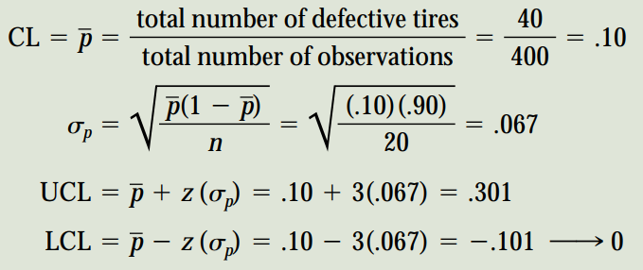
 | 9 | 1 | 20 | 0.05 | 0 | 0.10 | 0.30124611797
 | 10 | 2 | 20 | 0.10 | 0 | 0.10 | 0.30124611797
 | 11 | 3 | 20 | 0.15 | 0 | 0.10 | 0.30124611797
 | 12 | 2 | 20 | 0.10 | 0 | 0.10 | 0.30124611797
 | 13 | 2 | 20 | 0.10 | 0 | 0.10 | 0.30124611797
 | 14 | 1 | 20 | 0.05 | 0 | 0.10 | 0.30124611797
 | 15 | 1 | 20 | 0.05 | 0 | 0.10 | 0.30124611797
 | 16 | 2 | 20 | 0.10 | 0 | 0.10 | 0.30124611797
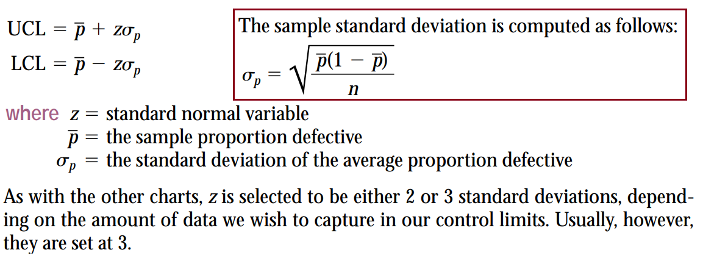
 | 17 | 4 | 20 | 0.20 | 0 | 0.10 | 0.30124611797
 | 18 | 3 | 20 | 0.15 | 0 | 0.10 | 0.30124611797
 | 19 | 1 | 20 | 0.05 | 0 | 0.10 | 0.30124611797
 | 20 | 1 | 20 | 0.05 | 0 | 0.10 | 0.30124611797
P Chart

C Chart (E-Book)
C Control Chart

C Chart
 | Week Number | Number of Complaints | LCL | CL | UCL
 | 1 | 3 | 0 | 2.2 | 6.6497190923 | 2.2 | c-bar (CL)
 | 2 | 2 | 0 | 2.2 | 6.6497190923 | 3 | z-value
 | 3 | 3 | 0 | 2.2 | 6.6497190923 | 6.6497190923 | UCL
 | 4 | 1 | 0 | 2.2 | 6.6497190923 | 0 | LCL (Must be >= 0)
 | 5 | 3 | 0 | 2.2 | 6.6497190923
 | 6 | 3 | 0 | 2.2 | 6.6497190923
 | 7 | 2 | 0 | 2.2 | 6.6497190923
 | 8 | 1 | 0 | 2.2 | 6.6497190923
 | 9 | 3 | 0 | 2.2 | 6.6497190923
 | 10 | 1 | 0 | 2.2 | 6.6497190923
 | 11 | 3 | 0 | 2.2 | 6.6497190923
 | 12 | 4 | 0 | 2.2 | 6.6497190923
 | 13 | 2 | 0 | 2.2 | 6.6497190923
 | 14 | 1 | 0 | 2.2 | 6.6497190923
 | 15 | 1 | 0 | 2.2 | 6.6497190923
 | 16 | 1 | 0 | 2.2 | 6.6497190923
 | 17 | 3 | 0 | 2.2 | 6.6497190923
 | 18 | 2 | 0 | 2.2 | 6.6497190923
 | 19 | 2 | 0 | 2.2 | 6.6497190923
 | 20 | 3 | 0 | 2.2 | 6.6497190923

Individuals and Moving Range
Individuals & Moving Range Control Chart

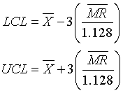
 |  |  | Observation | Moving | Individuals Chart Limits | n | A2 | A3 | D3 | D4 | d2 | B3 | B4
#Samples (n) = | 2 | Number | Value | Range |  | 2 | 1.88 | 2.659 | 0 | 3.267 | 1.128 | 0 | 3.267
X-Bar = | 50.81 | 1 | 49.6 |  |  | 3 | 1.023 | 1.954 | 0 | 2.574 | 1.693 | 0 | 2.568
MR-Bar = | 1.8777777778 | 2 | 47.6 | 2 |  | 4 | 0.729 | 1.628 | 0 | 2.282 | 2.059 | 0 | 2.266
Individuals Chart Lower Limit = | 45.815910165 | 3 | 49.9 | 2.3 |  | 5 | 0.577 | 1.427 | 0 | 2.115 | 2.326 | 0 | 2.089
Individuals Chart Upper Limit = | 55.804089835 | 4 | 51.3 | 1.4 |  | 6 | 0.483 | 1.287 | 0 | 2.004 | 2.534 | 0.03 | 1.97
Moving Range Chart Lower Limit = | 0 | 5 | 47.8 | 3.5 |  | 7 | 0.419 | 1.182 | 0.076 | 1.924 | 2.704 | 0.118 | 1.882
Moving Range Chart Upper Limit = | 6.1347 | 6 | 51.2 | 3.4 |  | 8 | 0.373 | 1.099 | 0.136 | 1.864 | 2.847 | 0.185 | 1815
 |  | 7 | 52.6 | 1.4 |  | 9 | 0.337 | 1.032 | 0.184 | 1.816 | 2.97 | 0.239 | 1.761
 |  | 8 | 52.4 | 0.2 |  | 10 | 0.308 | 0.975 | 0.223 | 1.777 | 3.078 | 0.284 | 1.716
#Samples (n) = | 2 | 9 | 53.6 | 1.2
Individuals Chart Lower Limit = | 45.817511855 | 10 | 52.1 | 1.5
Individuals Chart Upper Limit = | 55.802488145 |  |  |  |  |  |  |  | 2.6587214973
Moving Range Chart Lower Limit = | 0 |  |  |  |  |  |  |  | 2.6595744681
Moving Range Chart Upper Limit = | 6.1347

P Chart
p Chart
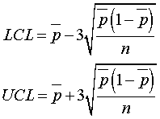

Percent Defective = | 2.100%
Sample Size = | 300
p Chart Lower Limit = | 0.000%
p Chart Upper Limit = | 4.583%

